Naive Bayes Theorem
Naïve Bayes Theorem

 | This is a classification problem
 | Works as probability of an event

 | Example
 |  | Say you have go to a Party outside based on certain condition

 |  | x1 | x2 | x3 | … |  | y
 |  | time | rule | Financial Condition |  |  | Decision

 |  | 12 - 6 PM | 144 | Money |  |  | No

 |  | Here each of the individual independent variables are affecting y output independently .
 |  | So in this kind of scenario we can take Naïve Bayes theorem .

 | Formula
 |  |  | P(A|B) | = | P(A) * P(B|A) / P(B)

 | Detail Explaination with Example
 |  |  |  |  | X |  | y |  | Outlook |  |  |  |  |  | Temperature
 |  |  | Outlook | Temperature | Humidity | Windy | Play Golf |  |  | Yes | No | P(Yes) | P(No) |  |  | Yes | No | P(Yes) | P(No)
 |  | 0 | Rainy | Hot | High | False | No |  | Sunny | 2 | 3 | 2 / 9 | 3 / 5 |  | Hot | 2 | 2 | 2 / 9 | 2 / 5
 |  | 1 | Rainy | Hot | High | True | No |  | Overcast | 4 | 0 | 4 / 9 | 0 / 5 |  | Mild | 4 | 2 | 4 / 9 | 2 / 5
 |  | 2 | Overcast | Hot | High | False | Yes |  | Rainy | 3 | 2 | 3 / 9 | 2 / 5 |  | Cool | 3 | 1 | 3 / 9 | 1 / 5
 |  | 3 | Sunny | Mild | High | False | Yes |  |  | 9 | 5 |  |  |  |  | 9 | 5
 |  | 4 | Sunny | Cool | Normal | False | Yes
 |  | 5 | Sunny | Cool | Normal | True | No |  | Humidity |  |  |  |  |  | Wind
 |  | 6 | Overcast | Cool | Normal | True | Yes |  |  | Yes | No | P(Yes) | P(No) |  |  | Yes | No | P(Yes) | P(No)
 |  | 7 | Rainy | Mild | High | False | No |  | High | 3 | 4 | 3 / 9 | 4 / 5 |  | False | 6 | 2 | 6 / 9 | 2 / 5
 |  | 8 | Rainy | Cool | Normal | False | Yes |  | Normal | 6 | 1 | 6 / 9 | 1 / 5 |  | True | 3 | 3 | 3 / 9 | 3 / 5
 |  | 9 | Sunny | Mild | Normal | False | Yes |  |  | 9 | 5 |  |  |  |  | 9 | 5
 |  | 10 | Rainy | Mild | Normal | True | Yes
 |  | 11 | Overcast | Mild | High | True | Yes |  |  |  |  | Play Golf
 |  | 12 | Overcast | Hot | Normal | False | Yes |  |  |  |  |  |  | P(Yes) / P(No)
 |  | 13 | Sunny | Mild | High | True | No |  |  |  |  | Yes | 9 | 9 / 14
 |  |  |  |  |  |  |  |  |  |  |  | No | 5 | 5 / 14
 |  |  | Here intutition is :

 |  |  |  |  |  | y = | Class Variable
 |  |  |  |  |  | X = | Multiple features

 |  |  |  |  |  | X = x1,x2,x3,x4….....,xn

 |  |  |  |  | X = ( Rainy , Hot , High , False )
 |  |  |  |  | y = No

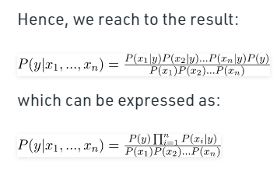

 |  |  | Output would be - Class variable with Maximum Probability value yeild the result .

 |  | Now Calculate with Test Data :
 |  | Q - 1 |  | today = (Sunny, Hot, Normal, False)
 |  |  |  |  |  |  |  | P ( Yes | today )
 |  |  |  |  |  |  |  | P ( No | today )

 |  | P ( Y | today ) |  | = | P(S/y)*P(H/y)*P(N/y)*P(F/y) * P(y) / P(S)*P(H)*P(N)*P(F) |  |  |  |  | = | 2 / 9 * 2 / 9 * 6 / 9 * 6 / 9 * 9 / 14 |  |  | ~ 0.0141

 |  | P ( N | today ) |  | = | P(S/n)*P(H/n)*P(N/n)*P(F/n) * P(n) / P(S)*P(H)*P(N)*P(F) |  |  |  |  | = | 3 / 5 * 2 / 5 * 1 / 5 * 2 / 5 * 5 / 14 |  |  | ~ 0.0068

 |  |  |  |  | So today you can play Golf

 |  | Q - 2 |  | today = (Overcast, Mild, High, False)
 |  |  |  |  |  |  |  | P ( Yes | today )
 |  |  |  |  |  |  |  | P ( No | today )

 |  | P ( Y | today ) |  | = | P(S/y)*P(H/y)*P(N/y)*P(F/y) * P(y) / P(S)*P(H)*P(N)*P(F) |  |  |  |  | = | 4 / 9 * 4 / 9 * 3 / 9 * 6 / 9 * 9 / 14 |  |  | ~ 0.0282

 |  | P ( N | today ) |  | = | P(S/n)*P(H/n)*P(N/n)*P(F/n) * P(n) / P(S)*P(H)*P(N)*P(F) |  |  |  |  | = | 0 / 5 * 2 / 5 * 4 / 5 * 2 / 5 * 5 / 14 |  |  | ~ 0

 |  |  |  |  | So today you can play Golf

 |  | Advantage
 |  |  | Extremely fast for both training and prediction as they don't have to learn to create separate class
 |  |  | probability prediction
 |  |  | easy to interprete
 |  |  | fewer parameter to tune

 |  | Disadvantage

 |  |  | NB assumes always that the features independent of each other which is not always the scenario .
 |  |  | ZERO FREQUENCY - if the category of any categorical variable is not seen in training dataset even once , then model assign a zero probability to that category and then a prediction cann't be made .

 | Other NBs : |  | For continuous data use below Naïve Bayes theorem classifiers

 |  |  | Gaussian Distribution Naïve Bayes
 |  |  | Multinomial Naïve Bayes
 |  |  | Bernoulli Naïve Bayes
 | Reference
 |  | https://www.geeksforgeeks.org/naive-bayes-classifiers/#:~:text=Naive%20Bayes%20classifiers%20are%20a,let%20us%20consider%20a%20dataset.

SVM
SVM
 | Server Vector Machine |  |  | This is applicable both for Classification and Regression type of dataset

 | SVC |  | SVR
 | [Server Vector Classifier ] |  |  | [Server Vector Regression]

 | When do we need to use this concept in Machine Learning Problem ?

 |  | When you don't have any knowledge about the data .
 |  | Your data is Non-Linear
 |  |  |  |  |  |  |  |  |  |  |  |  |  | x1 | x2 | y
 |  |  |  | Class-1
x1 | y

 |  |  |  |  |  | Class-2

 | What is Non-Linear Data ?

 |  | Linear Data |  |  |  |  |  | Non-Linear Data

 | Concepts |  |  |  | Marginal plane
 |  |  |  | Class-1 |  |  | Marginal plane
 |  |  |  |  |  |  |  |  |  | Margins

 |  |  |  |  |  |  | Class-2 |  |  |  | Hyperplane |  | This line exactly divides 2 marginal planes
 |  |  |  |  |  |  |  |  |  |  | Maginal plane |  | The line which runs via server vector points
 |  |  |  |  |  |  |  |  |  |  | Maginal distance |  | Distance between Hperplane and Marginal plane
 |  |  |  |  |  |  |  |  |  |  | Server Vectors |  | All nearest points to all the opponent classes . Responsible for separating data . These are data points .

 |  |  | Hyperplane

 |  |  |  |  | Class-1 |  |  |  | I can draw lines like this also , then why I am choosing the above one ?

 |  |  |  |  |  |  |  |  |  | You have to make sure that you Marginal Distance will be always maximum .
 |  |  |  |  |  |  |  | Class-2

 |  | Why this algorithm is called as Server Vectors ?

 |  |  | The hyperplane what ever you are creating , this creates a boundary line
 |  |  | It is drawn based on the nearest points present with respect to the opponent class

 | What if my data is Non-Linear

 |  |  | x2 |  |  | 2D |  |  |  |  |  |  |  |  |  |  |  | 3D | x3 = (x1)2 + (x2)2
 |  |  |  | Non-Linear Data |  |  |  | This solution can be achieved by Kernel trick |  |  |  |  |  |  | Linear Data

 |  |  |  |  |  |  |  |  | Transforom low dimension data to high dimension
 |  |  |  |  |  |  |  |  | And then draw the hyperplane

 |  |  |  |  |  |  |  |  |  |  |  |  |  |  |  |  |  |  | hyperplane

 |  |  |  |  |  |  |  | x1

 |  |  |  |  |  |  |  | Increase or elevate the dimension to make space
 |  |  |  |  |  |  |  | Place your plane separator

 |  | Example |  | x | y

 |  |  |  |  | z = 2x2 + 5y3

 |  | Why cann't we use Linear Regression

 |  |  |  | Uses probabilitic claculation

 | How does this transformation takes place ?
 |  |  |  |  |  |  | 1D
 |  |  |  |  |  |  |  |  |  |  |  |  |  |  |  | 1D | 2D
 |  |  |  |  |  |  |  |  |  |  |  |  |  |  |  | 2D | 3D
 |  |  |  |  |  |  |  |  | Mathematical formulae |  |  |  |  |  |  | 3D | 4D
 |  |  |  |  |  |  |  |  |  |  |  | y = f(x) = x2

 |  |  |  |  |  |  | X

 |  |  |  |  | y

 |  |  |  |  |  |  |  | 2D

 |  | -3 | -2 | -1 | 0 | 1 2 | 3

 | What are the types of Kernel

 |  | Linear Kernel
 |  | Polynomial Kernel
 |  | RBF Kernel
 |  | Sigmoid Kernel

 | Polynomial Kernel

 |  |  | f(x1,x2) | = ( x1T . x2 + 1 )d
 |  |  |  |  |  | d = dimension

 |  | => y = f(x1,x2) |  | = | = ( x1T . x2 + 1 )d

 |  |  |  | = | x1 | x1 | x2
 |  |  |  |  | x2

 |  |  |  | = | x1**2 | x1x2
 |  |  |  |  | x1x2 | x2**2

 |  | Let's say your original data is like this

 |  |  | x1 | x2 | y |  |  |  | x1 | x2 | y | x1**2 | x2**2 | x1x2

 |  |  |  | 2 features and 1 output |  |  |  |  |  |  | 5 features and 1 output

 |  |  |  |  |  |  |  |  |  | y

 |  |  |  |  |  |  |  |  |  |  | Linear Data |  | z = x1*x2

 |  |  |  |  |  |  |  |  |  |  |  |  |  |  | hyperplane

 |  |  |  |  |  |  |  |  |  |  |  |  |  | x

 |  | Say
 |  |  | x1 | x2 | y |  |  |  | x1 | x2 | y | x1**2 | x2**2 | x1x2

 |  |  |  | 2 features and 1 output |  |  |  |  |  |  | 3 features and 1 output

 | Advantages

 |  | SVM is good when we don't have any knowledge about the data
 |  | Overfitting is less |  |  | ( Training is good and test data gives good result )
 |  | Kernel trick is the strength of SVM

 | Disadvantages

 |  | Training time for larger dataset is high .
 |  | It's very difficult to choose a good kernel function .

 | Soft Margin , Hard Margin , C value , Gamma

 |  | C - Regularization value |  |  |  |  |  |  |  |  |  | y = mx + c
 |  | Penalizing the equation

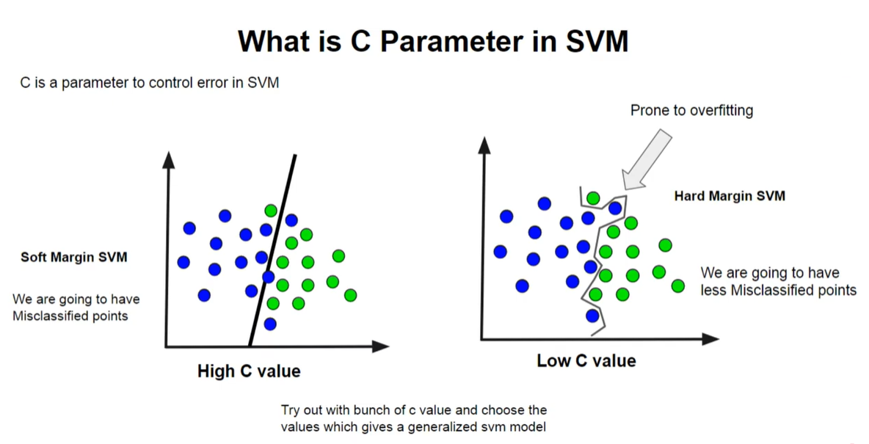

 |  | Gamma - only for RBF kernel
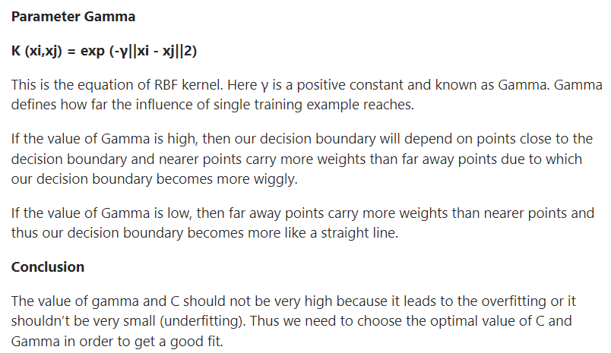
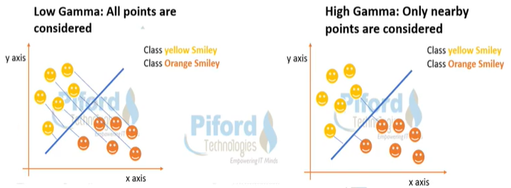

Reference
 | https://stackabuse.com/implementing-svm-and-kernel-svm-with-pythons-scikit-learn/
 | https://www.analyticsvidhya.com/blog/2017/09/understaing-support-vector-machine-example-code/
Soft/Hard Margin |  | https://www.youtube.com/watch?v=KHC2qGUthGM
C Value |  | https://www.youtube.com/watch?v=uWbgLWnNTrw

Linear Regression
Linear Regresssion

 |  | x1 | x2 | x3 | …... | y
 |  |  | Independent variable |  |  | Dependent variable |  |  |  |  |  |  |  |  | x1

 |  | The data will be in linear mode .
 | Linear | You can form an linear equation y = m1x1 + m2x2 + m3x3 + c
 | Regression | What is Regression ?
 |  |  | It contains continuous data
 |  |  | Make a relationship between independent variable and dependent variable
 |  |  | English meaning is "Finding out relation between datda sets"

 |  |  |  |  | discrete |  | Which you can count fully or a whole value . Data range is 0 to ininity .
 |  |  |  |  | continuous |  | This may contain non-whole value . And this can be present under certain thresold range .

 |  |  |  |  | discrete |  | How many members are there in your family |  |  |  |  |  | 8 | 8.5
 |  |  |  |  |  |  | How many bank accounts you have . |  |  |  |  |  | 4 | 4.15

 |  |  |  |  | continuous |  | Tell me the heights of person in your project |  |  |  |  |  | 5.1 , 5.4 , 6.1….....20 people are there |  |  |  |  | [ 4.8 , 6.2 ]

 | Example |  |  |  |  |  |  |  |  | y
 |  |  |  | Height | Weight |  |  |  |  |  |  |  |  | m = thetta value

 |  |  |  | 5.4' | 55 |  |  | y = x + 2 |  |  |  |  |  |  |  | y = mx + c |  | equation of the straight line
 |  |  |  | 5.6' | 60
 |  |  |  | 5.7' | 60 |  |  |  |  |  |  |  |  |  |  | m - co-efficient |  | slope
 |  |  |  | 5.8' | 63 |  |  |  |  |  |  |  |  |  |  | c - intercept |  | What is the value of y when x = 0
 |  |  |  | 5.9' | 65
 |  |  |  | 5.10' | 70 | xx |  |  |  |  |  |  |  |  |  | tan(thetta) = dy/dx
 |  |  |  | 6.1' | 78 | yy |  |  | c |  |  |  |  |  |  | y = 1.2 * x
 |  |  |  | 6.2' | ???
 |  |  |  |  |  |  |  |  |  |  |  |  |  | x

 |  |  |  | yellow - train data |  | we make the model / make the equation |  |  |  |  |  | Best fit line or Generalized line

 |  |  |  | blue - test data |  | Here 70,80 are the actual value |  |  |  |  |  | What is a model contain - Model contains weight(data) equation values in the form of binary format .
 |  |  |  |  |  | But when you are putting this to the model , xx,yy value
 |  |  |  |  |  |  |  | predicted values
 |  |  |  | Error / Loss |  | = actual value - predicted value |  |  |  | only one observation
 |  |  |  | Cost Function |  | = all Error |  |  |  | Combined observation of all test dataset

 | What should be our target ?

 |  |  | Minimize the error or loss |  |  |  |  |  |  |  | X | y
 |  |  | Adjust the parameter - m & c |  |  |  |  |  |  |  | 3 | 7 |  | y = mx + c |  | y = 2x
 |  |  | Make a best fit line |  |  |  |  |  |  |  | 5 | 11 |  | y = 2*x + 1
 |  |  |  |  |  |  |  |  |  |  | 6 | 13
 |  |  |  |  |  |  |  |  |  |  | 12 | 25
 |  |  |  |  |  |  |  |  |  |  | 22 | 45

 | Gradient Descent |  |  |  |  |  |  |  | Gradient Descent is an optimization algorithm for finding a local minimum of a differentiable function. Gradient descent is simply used in machine learning to find the values of a function's parameters (coefficients) that minimize a cost function as far as possible.

 |  | ( e , m , c ) |  |  |  |  |  |  | We have to make the error leading towards local minima point , so that

 |  |  |  |  |  |  |  |  |  | de/dm = 0 |  | de -> Rate of change of error
 |  |  |  |  |  |  |  |  |  | de/dc = 0

 |  |  |  |  |  |  |  |  |  |  |  | This is called learning - Adjusting m and c value w.r.t. error .

 |  |  |  |  |  |  |  |  | So how to find best fit line out of 100 lines you can draw
 |  |  |  |  |  | minima value |  |  |  | by learning parameter - m and c

 |  |  |  |  |  |  |  |  |  |  | if error :
 |  |  |  | How to get best fitline |  |  |  |  |  |  |  | change the value of m & c
 |  |  |  |  | Statistical approach |  |  |  |  |  | again error ?
 |  |  |  |  | Gradient approach |  |  |  |  |  |  | change the value of m & c
 |  |  |  |  |  |  |  |  |  |  | again error ?
 |  |  |  | when slope = 0 |  |  |  |  |  |  |  | change the value of m & c
 |  |  |  |  | Stop learning |  |  |  |  |  | continue till you get best value to get best fit line
 |  |  |  |  | Best fit line is formed
 |  |  |  |  | m is slope of best fit line

 |  |  | Link : https://images.app.goo.gl/3bj47HJW5qYzpS579

 | Mathematical Intutition
 |  |  |  |  |  |  | Let's say L1 is our best fit line
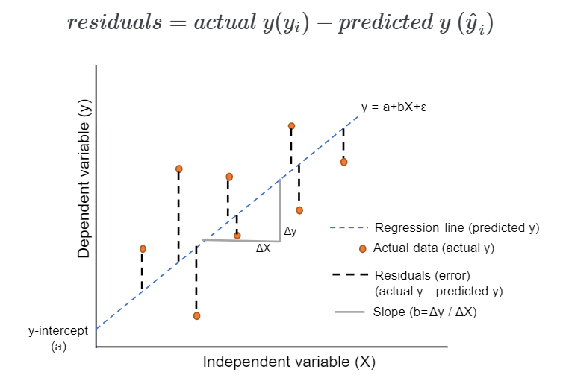
 |  |  |  |  |  | L3
 |  |  | y
 |  |  |  |  |  |  | L1
 |  |  |  |  |  |  |  | L2
 |  | Residual

 |  |  |  |  |  |  | data points

 |  |  |  |  |  |  | x

 |  |  | y |  |  |  | relation
 |  |  |  |  |  | y=mx+c | L1
 |  |  |  |  |  |  |  | residual
 | predicted value

 | expected/actual value |  | y

 |  |  |  |  |  |  | data points |  |  | = mx + c

 |  |  |  |  |  |  | x
 |  |  |  | residual = y -
 |  |  |  | = > r = y - ( mx + c )
 |  |  |  |  |  |  |  | Say , instead of c we use b . |  |  |  |  |  |  |  |  |  |  |  |  |  | (a+b)2 = a2 + b2 + 2ab
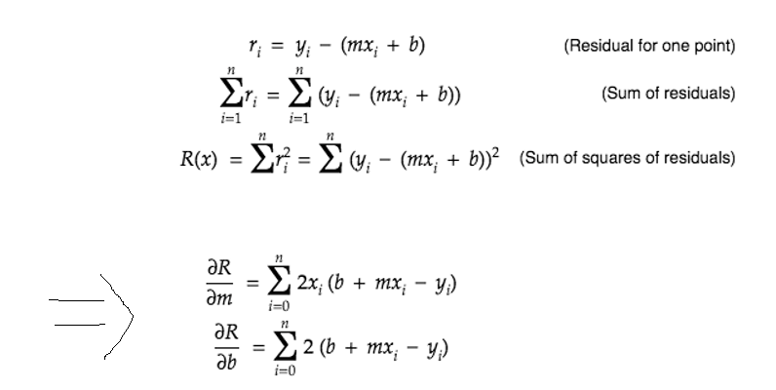
 |  |  |  |  |  |  |  |  |  |  |  |  |  |  |  |  |  | How did you equate to this equation ? |  |  |  | (a-b)2 = a2 + b2 - 2ab

 |  |  |  |  |  |  |  |  |  |  |  |  |  |  |  |  |  |  |  | R = r2 = | y2 + (mx+b)2 - 2.y.(mx+b)
 |  |  |  |  |  |  |  |  |  |  |  |  |  |  |  |  |  |  |  | = | y2 + m2x2 + b2 + 2mxb - 2ymx - 2yb

 |  |  |  |  |  |  |  |  |  |  |  |  |  |  |  |  |  |  |  | dR/dm = | 0 + 2mx2 + 0 + 2xb - 2yx - 0
 |  |  |  |  |  |  |  |  |  |  |  |  |  |  |  |  |  |  |  | = | 2x ( mx + b - y )
 |  |  |  |  |  |  |  |  |  |  |  |  |  |  |  |  |  |  |  | dR/db = | 2(mx+b-y)

 |  |  |  |  |  |  |  |  |  |  |  |  |  |  |  | 2m + c - 6 = 0 |  | m , c
 |  |  |  |  |  |  |  |  |  |  |  |  |  |  |  | 4m - 5c + 10 = 0
 |  |  |  |  |  |  |  |  |  |  |  |  |  | y = x3
 | Apply differentiation |  |  |  |  |  |  |  |  |  |  |  |  | dy/dx = 3.x**2 |  |  |  | y = m.x1 + c
 | here |  |  |  |  |  |  |  |  |  |  |  |  |  |  |  |  |  |  | x | y
 |  |  |  |  |  |  |  |  |  |  |  |  |  |  |  |  |  |  |  | 6.2' | 76

 | For getting best fitline , residual should be minimum . The minima of a function occurs when the derivative ( dy/dx=0 ) is 0 . So equate corressponding derivative to 0 .

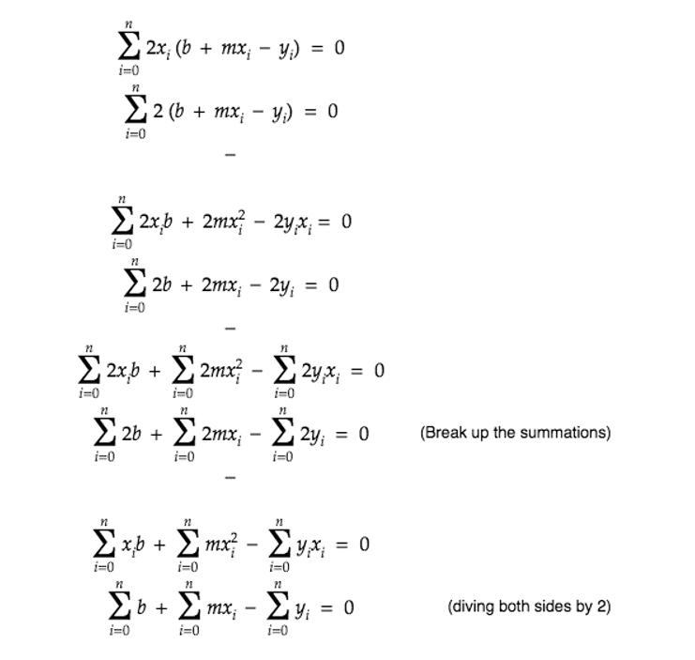

 | Learning Equation
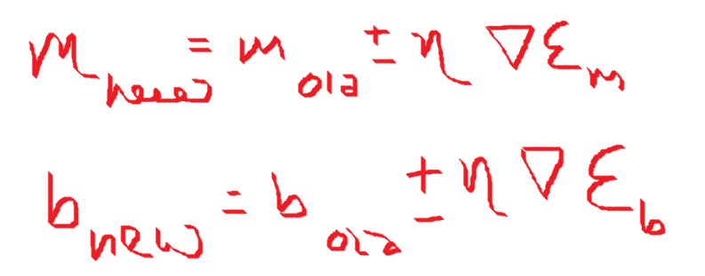

 |  |  |  |  |  |  |  |  |  | n -> learning rate |  | -0.000001 | hyperparameter value
 |  |  |  |  |  |  |  |  |  | DE -> error |  |  |  |  |  |  |  | ( e , m , c )

 |  |  |  | Learning in ML is finding new co-ordinates .
 |  |  |  | loss is error term |  |  |  |  |  | Learning rate should be between : 0.00001 to 10
 |  |  |  |  |  |  |  |  |  | You cann't initiate this value to : 10 . Else m value will be very high .
 |  |  |  |  |  |  |  |  |  | You can change the value of m slowly by adjusting learning rate 'n' .
 |  |  |  |  |  |  |  |  |  | Smaller learning rate is recommended to avoid overshooting while creating a model .

 |  |  |  |  |  |  |  |  |  |  |  |  |  |  |  |  |  |  |  | Overshooting

 |  |  |  | Sometime , we need to initiate with m & c value , then go ahead with learning rate .

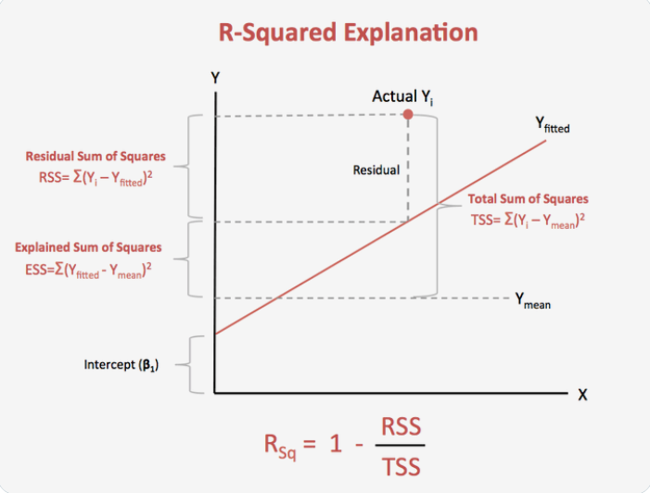
 | R2 Statistics
 |  |  | It represents how much of our data is being explained by our model .
 |  |  | R2 statistics = 0.75 means our model fits 75% of the total dataset .
 |  |  | This is the technique used to measure your Linear Regression Model .
 |  |  | To check goodness of the best fitline .

 |  |  | R2 ( residual square ) |  | = | 1 - (RSS / TSS )

 |  |  |  | R2 value | = | 0.90 | Your model is 90% accurate
 |  |  |  |  |  | 0.00 | You model is worst , No data is explained .
 |  |  |  |  |  | 1.00 | Your model is 100% accurate , 100%
 |  |  |  |  |  |  | data explanation
 |  |  | 0 |  |  | 1
 |  |  | worst |  |  | best

 |  |  | R2 ( residual square ) |  | = | 1 - (RSS / TSS )

 |  |  | RSS | = | ( y - ) 2 |  | y
 |  |  |  |  |  |  |  |  | Residual
 |  |  | Residual Sum of Square

 |  |  |  | y = actual value
 |  |  |  | y_hat = predicted

 |  |  | TSS | = | ( y - ) 2

 |  |  | Total Sum of Square |  |  |  |  |  | y
 |  |  |  | y = actual value
 |  |  |  | y_mean = mean/avg of all data points

 |  |  | Can R2 value be -ve ?
 |  |  |  | Yes possible , but with this your model will be wrong .
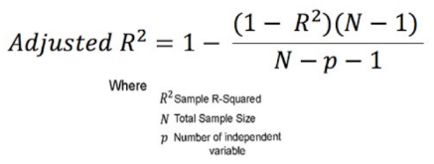
 | Adjusted R2

 |  |  |  |  |  | y = mx + c |  |  | Simple Linear Regression |  |  |  |  | x1 | x2 | x3 | y
 |  |  |  |  |  | y = m1x1 + m2x2 + c |  |  | Multiple Linear Regression

 |  |  |  | Say you are adding few more new features to your equation .
 |  |  |  |  |  | y = m1x1 + m2x2 + m3x3 + c
 |  |  |  | This leads to increase in R2 value , even though this feature might not be related to the output value .

 |  |  |  | R2 increases , but Adjusted R2 decreases ( due to low Denominator value )

 |  |  | When independent variable is Co-related to the output :
 |  |  |  |  | R2 : Increases
 |  |  |  |  | Adjusted R2 : Increases .
 |  |  | When independent variable is NOT Co-related to the output :
 |  |  |  |  | R2 : Slightly decreases compared to original R2 value .
 |  |  |  |  | Adjusted R2 : Decreases .

 |  | R2 vs Adjusted R2

 | 1 ) | R2 | Everytime you add an independent variable to a model , the R2 increses , even if independent variable is insignificant . It never declines .
 |  | Ajusted R2 | Increases only when independent variable is significant and affects dependent variable .

 | 2 ) | Ajusted R2 =< R2

 | 3 ) | R2 | Doesn't depend on no. of features .
 |  | Ajusted R2 | Penalizes features .

 | ** Model Measurement Technique .

 |  | Regression Problem |  | R2
 |  |  |  | Adjusted R2

 |  | Classification Problem |  |  | Confusion Matrix.

 | Overfitting , Under fitting & Data Leakage

 |  | Over fitting
 |  |  |  | Training dataset |  | Less error |  | Low bias
 |  |  |  | Testing dataset |  | High error |  | High variance

 |  | Under fitting
 |  |  |  | Training dataset |  | High error |  | High bias
 |  |  |  | Testing dataset |  | High error |  | High variance

 |  | Data Leakage
 |  |  | In actual scenario model should know only the train data and shoudnlt know about test data
 |  |  | But in Data Leakage , model knows about train data and also about test data .

 |  | Example |  | Pradyumna is writing M.Tech Exam
 |  |  | Train ( Reading ) |  |  | Test ( exam )

 |  |  | Prepared well |  |  | Good Score |  |  |  |  |  | Good model

 |  |  | Prepared well |  |  | Not good score |  |  |  |  |  | Overfitting

 |  |  | Not prepared well |  |  | Not good score |  |  |  |  |  | Underfitting

 |  |  | Prepared well |  |  | Before exam paper leaked and got the exam questions |  |  |  |  |  | Data Leakage

 | Regularization in Linear Regression

 |  | Going to control the changes of m1,m2,m3…which defines the relations .
 |  | They should be under control within some limit .
 |  | Control cost/loss function ( which in turn depends upon m1,m2,m3…. )
 |  | Reduce overfitting
 |  | Penalizes slope
 |  | Helps in feature selection techniques .

 | 1 ) Lasso Regression ( L1 Regularization )

 |  | Least absolute shrinkage and selection operator
 |  | Penalizes the model based on the sum of magnitudes of the co-efficients .
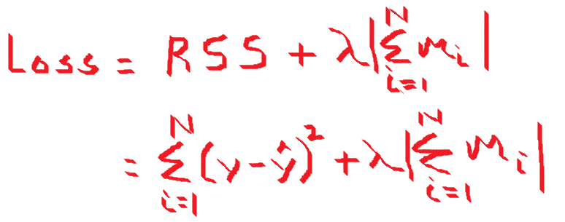
 |  |  |  |  |  |  |  |  |  | What is Lambda :
 |  |  |  |  |  |  |  |  |  |  | Can be anything and it's a constant , but not a learning rate .
 |  |  |  |  |  |  |  |  |  |  | Should be calculated by cross validation as to what suits the model .

 |  |  | Reduce overfitting
 |  |  | Helps in feature selection
 |  |  |  | reduces some co-efficients exactly to '0' . Some slopes will go towards 0.
 |  |  |  | y = m1x1 + m2x2 + m3x3 + … + c
 |  |  |  |  | m3 -> 0

 | 2 ) Ridge Regression ( L2 Regularization )

 |  | Penalizes the model based on the sum of squares of magnitudes of the co-efficients .
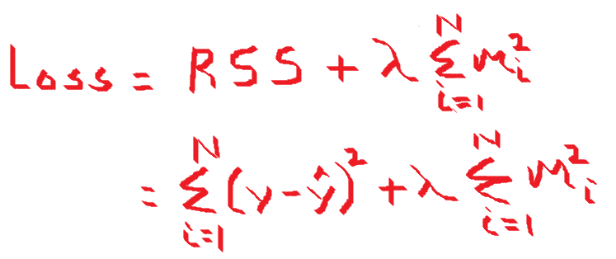

 |  |  |  | If the value of cost function is very high , it penalizes more .
 |  |  |  | Never makes co-efforicent value exactly to '0' .
 |  |  |  | Thus the final model will still contains all those predictors , though with less weights .

 | 3 ) Elastic Net

 |  | Combination of L1 & L2

 |  |  |  |  |  |  |  |  |  |  | Alpha :
 |  |  |  |  |  |  |  |  |  |  |  | Alpha is a constant , not a learning rate
 |  |  |  |  |  |  |  |  |  |  |  | [0 , 1 ]

 |  |  |  |  |  |  | L2 | L1

 | When to use which Regularization function :

 |  | Preferable to use a little bit of regularization .
 |  | Avoid plane Linear Regression
 |  | Ridge is good by default .
 |  | If only few features are useful - prefer use Lasso or Elastic Net . Because unnecessary features will be removed .
 |  | Elastic Net is preferrable over Lasso since Lasso may beave erratically when the number of feature is greater than the no. of training instances or when serveral feature is strongly co-related .

 |  |  |  |  |  |  |  |  |  |  | Linear Graph
 | Polynomial Regression |  |  |  |  |  |  |  |  |  |  |  |  | m = thetta value |  |  |  |  | Polynomial Graph

 |  | Linear Regression |  |  | y = mx+c
 |  | Multi-linear Regression |  |  | y = m1x1+m2x2+m3x3+….+c
 |  | Polynomial Regression |  |  | y = m1x + m2x**2 + m3.x**3

 |  |  |  |  |  | m1 , m2 , m3 - are features
 |  |  |  |  |  | x**2 , x**3 - are co-efficients

 |  |  |  |  | ( actually should be like y = m1.x1 + m2**2.x2+m3**3.x3)
 |  |  |  |  |  |  |  |  |  |  |  |  |  |  |  |  | This means relationship between x & y cann't be described
 |  |  |  |  |  |  |  |  |  |  |  |  |  |  |  |  | linearly . Here comes the time to use Polynomical Regression .
 |  | Linear in Linear Regression does not talk about the degree of the Polynomial equation in terms of the dependent variable(x). Instead, it talks about the degree of the coefficients.
 |  | The coefficients are only of degree 1, hence the name Linear Regression.
 |  | But in Polynomial : It talks about degree of co-efficients .

 | References :

 | Regularization |  | https://www.analyticsvidhya.com/blog/2021/11/study-of-regularization-techniques-of-linear-model-and-its-roles/
 | Polynomial Regression |  | https://towardsdatascience.com/polynomial-regression-bbe8b9d97491
 | Linear Regression |  | https://www.analyticsvidhya.com/blog/2021/06/linear-regression-in-machine-learning/
 |  |  | https://www.analyticsvidhya.com/blog/2021/05/all-you-need-to-know-about-your-first-machine-learning-model-linear-regression/

Logistic Regression
Logistic Regression

 | Helps to solve classification problem
 | Binary classification :
 |  | probability > 50% -> assign to particular class |  |  | P(x) - [0,1]
 |  | probability < 50% -> assign to other class
 |  |  |  |  |  | Logistic Regression
 |  |  |  | Regression
 |  |  |  |  |  | side |  | We don't look for y-value
 |  |  |  |  |  |  |  | We look for side
 |  |  |  |  |  |  | Separator or devider | Separating dataset

 |  |  |  |  |  | side

 | Sigmoid Function

 |  | Sigmoid function's ranges between 0 < f(x) < 1
 |  | So it's useful to calculate the probability for Logistic function .
 |  | It's derivative is easy to calculate than other functions during Gradient Descent calculation .

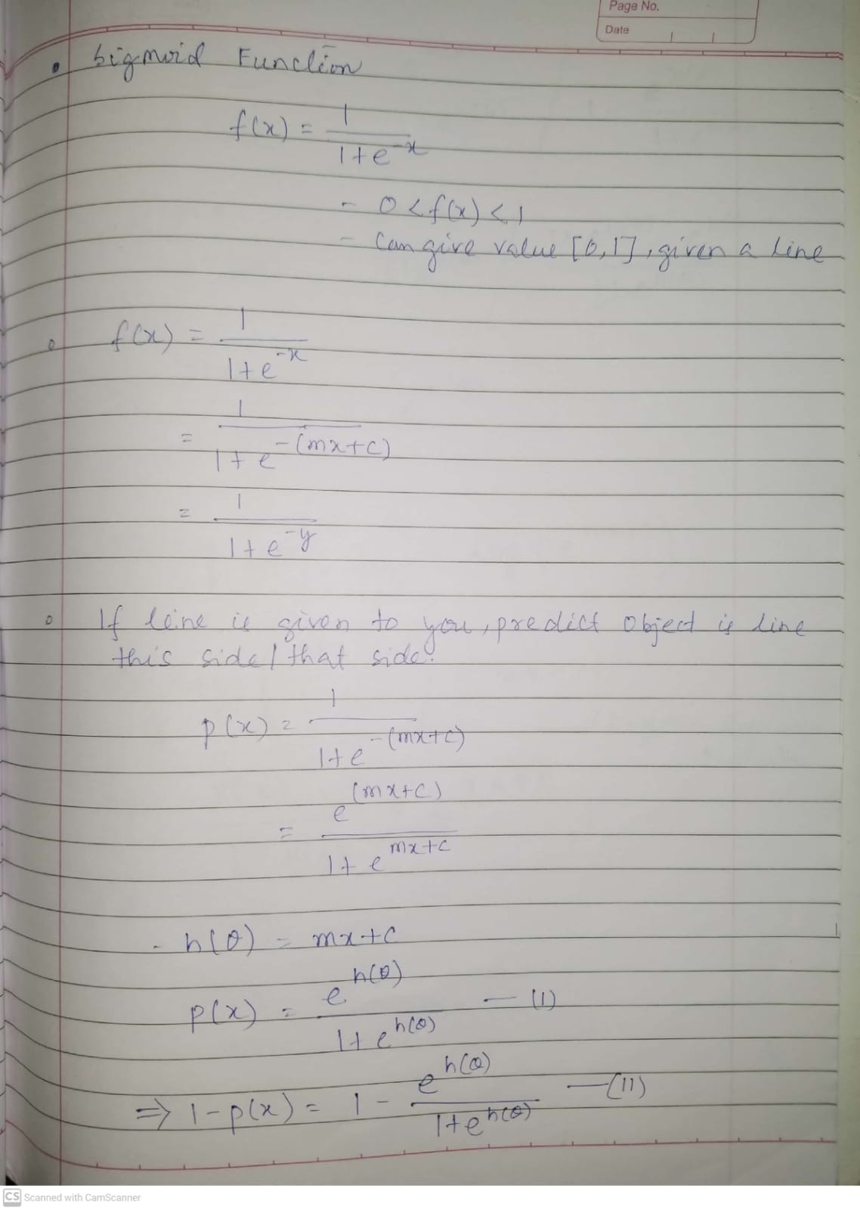
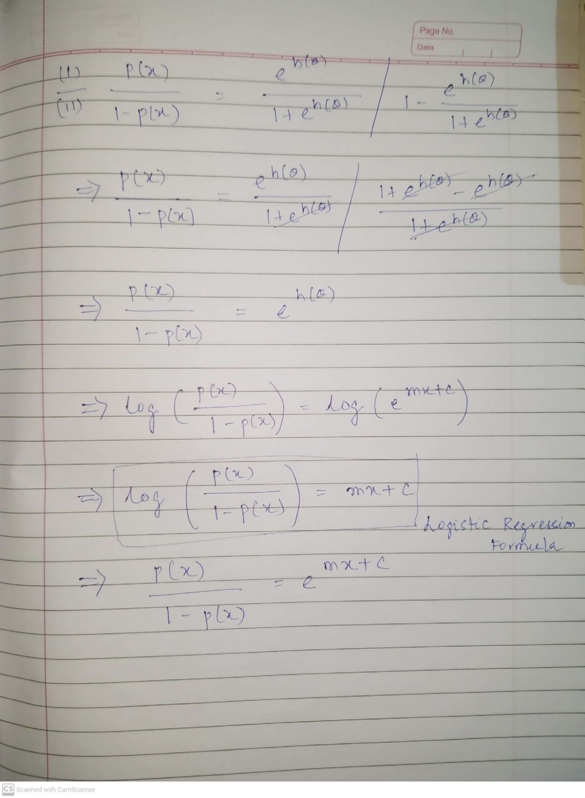

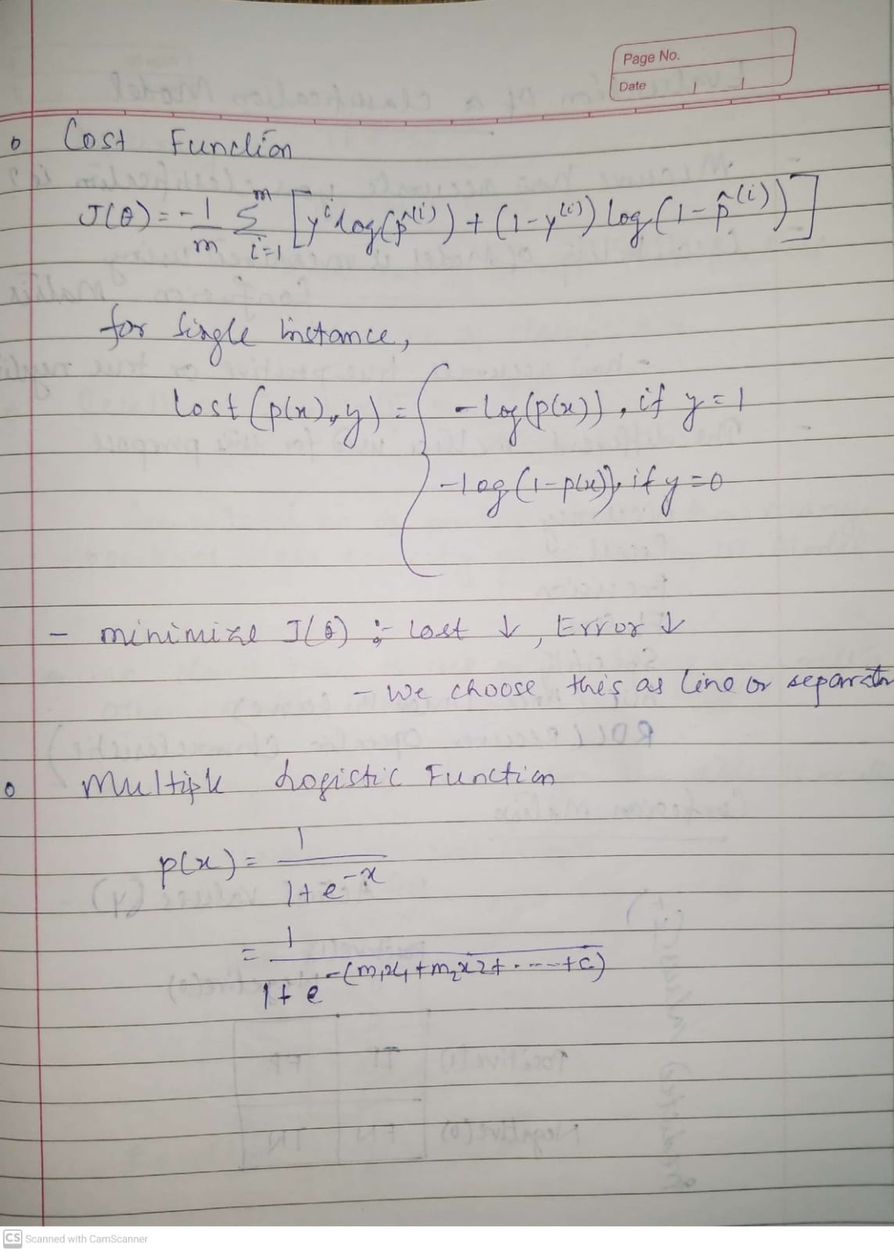

 | Multinomial Logistic Regression ( No. of labels > 2 )

 |  | We can go ahead with class with maximum probability where no. of labels > 2 )

 | Evaluation of Classification Model

 |  | Once we have a result of the classification problem , how do we measure how accurate is our classification is ? Different Matrix used are :

 |  | Accuracy
 |  | Recall
 |  | Precision
 |  | F1 Score
 |  | Specificity

 |  | Confusion Matrix

 |  | Advantages of Logistic Regression

 |  |  | Simple and easy to implement
 |  |  | Expresses relationship between independent and dependent variable .
 |  |  | Very effective with linearly separable data

 |  | Disadvantages

 |  |  | Not effective with data which are not linearly separable
 |  |  | Not as powerful as other classification models
 |  |  | Multiclass classification are much easier to do with other algorithms than logistic regression
 |  |  | It can only predict categorical outcomes .

CV and Hyperparameter
Cross Validation

 | To avoid overfitting

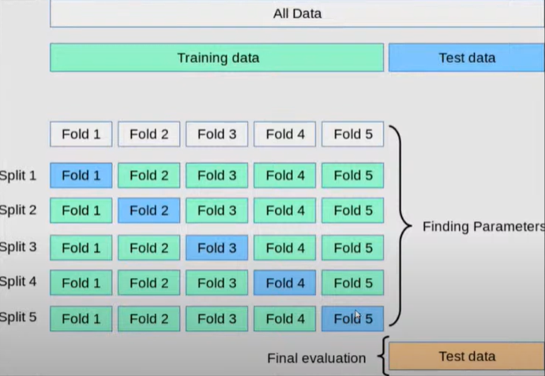

Grid Search CV |  | Randomize Search CV

Small number of hyperparameters |  | High number of hyperparameters
Slower |  | Faster
We define the combinations and do training of the model |  | The model selects the combinations randomly
Grid Search is always recommended

Good when data size is small |  | Good when more data like 10M records

 |  | It won't run for all the combination .
 |  | Randomly pick the values from our defined values .

 |  | 10 , 100 times iteration , that many no. of combination it will take .

